ERD
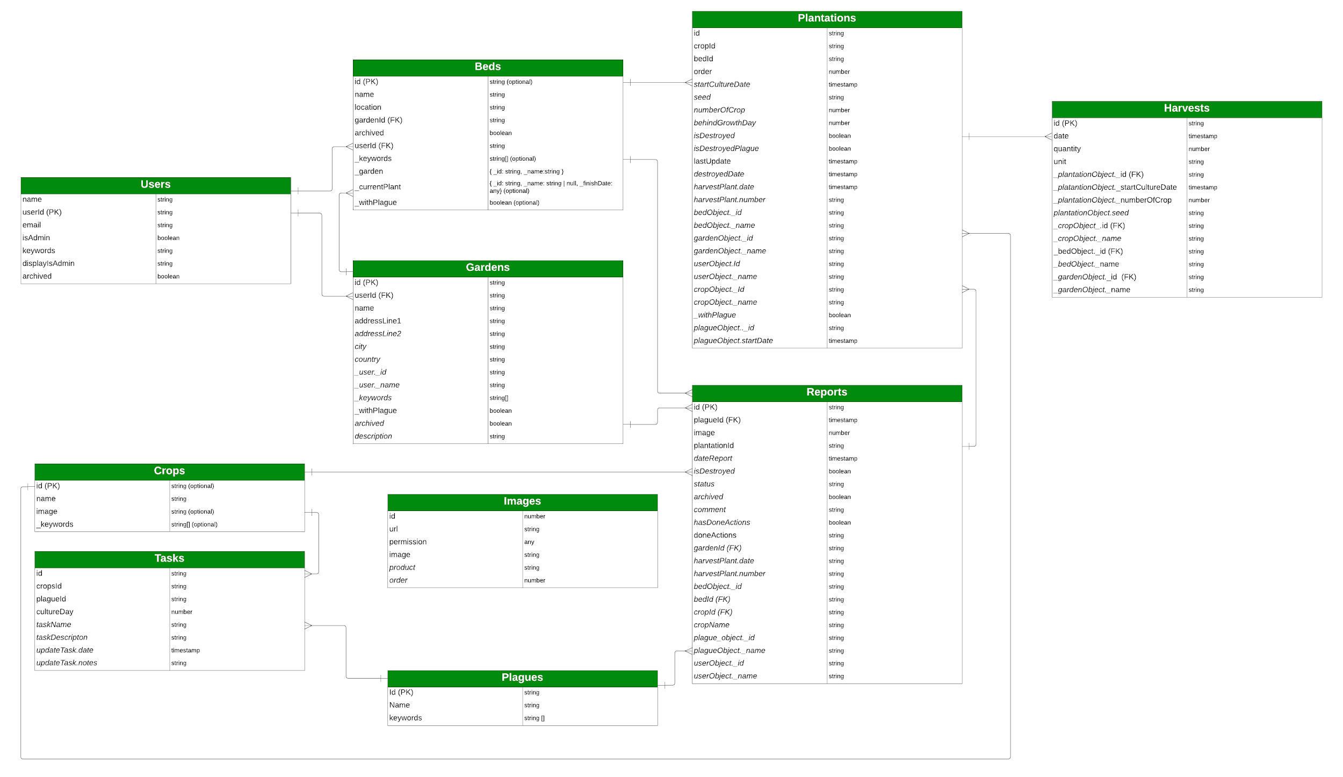
Entity Relation Diagram (PDF Version: https://drive.google.com/file/d/11mxlIGMp0XpsQ8bo8hye4wI_bxjX2vsc/view?usp=sharing)

